INICIO Steel
Picture | NetSuite SKU | List Price/Dealer Price/Base Price (cost + 10%) | Description | Qty. Included free in dealer kits | Inventory Status | Non-Inventory Qty | Location | Overstock Location/Qty | Min. Qty | Min. Reorder Qty.
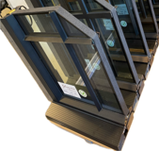 | IS-Corner EST-SDL Flat-Flat-7016 | $852.50 | In-swing door corner sample- 16"X20" ESG 6 Cool-Lite Xtreme 61/29 11/16/ESG 6 SDL - flat (ext)/ flat (int) 20 mm Glazing bead: Triangle - FV1530S-00 Color: RAL 7016 Textured | 1 | In Inventory
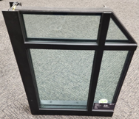 | IS-Corner EST-SDL Flat-T-Shape-9005 | $555.00 | Fixed corner sample- 16"X20" ESG 6 Cool-Lite Xtreme 61/29 11/16/ESG 6 SDL - flat (ext)/ t-bar (int) 20 mm Glazing bead: L-shape - FV1535E-02 Color: RAL 9005 textured | 0 | In Inventory
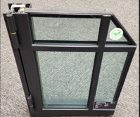 | IS-Corner EST-SDL Triangle-Triangle-9004 | $821.00 | Casement window (outswing) sample- 16"X20" ESG 6 Cool-Lite Xtreme 61/29 11/16/ESG 6 SDL - flat (ext)/ triangle (int) 20 mm Glazing bead: Square - FV1535R-00 Color: RAL 9004 smooth | 1 | In Inventory
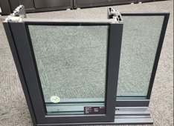 | IS-Corner-One Light-7021 | $1,173.00 | Lift&Slide corner sample- 22-3/4"X20" ESG 6 Cool-Lite Xtreme 61/29 11/16/ESG 6 One Light Glazing bead: L-shape - 15x30x3 Color: RAL 7021 Textured | 0 | In Inventory
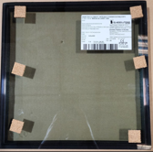 | Glass Sample: INICIO- Low E3 - 4CLX 61-29/16/4 12"x12" | $15.03 | Glass Sample: INICIO Low E3 - 4CLX 61-29/16/4 12"x12" | 1 | Non-Inventory | 3 | LR-07-1A | Overstock location: 10-03-03 qty: 40 | 20 | 50
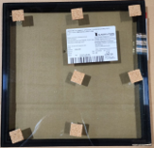 | Glass Sample: INICIO - Low E3 - 4CLX 70-33/16/4 12"x12" | $15.03 | Glass Sample: INICIO Low E2 - 4CLX 70-33/16/4 12"x12" | 1 | Non-Inventory | 3 | LR-06-1A | Overstock location: 10-03-03 qty: 40 | 20 | 50
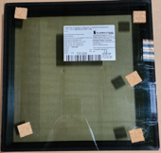 | Glass Sample: INICIO - Low E3 Triple Glazed - 4CLX 70-33/16/4/16/4 12"x12" | $15.03 | Glass Sample: INICIO Low E3 Triple Glazed - 4CLX 70-33/16/4/16/4 12"x12" | 0 | Non-Inventory | 7 | LR-05-1A | Overstock location: 10-03-02 qty: 11 | 20 | 50
 | Glass Sample: INICIO – Low E2 - 6 mm SGG COOL-LITE SKN 183/12/6mm SGG PLANICLEAR - 8”x12” |  | Glass Sample: INICIO – Low E2 - 6 mm SGG COOL-LITE SKN 183/12/6mm SGG PLANICLEAR - 8”x12”
 | Glass Sample: INICIO – Low E3 – 6mm SGG COOL-LITE EXTREME 70-33 II/12/6mm K Glass N 8”x12” |  | - Glass Sample: INICIO – Low E3 – 6mm SGG COOL-LITE EXTREME 70-33 II/12/6mm K Glass N - 8”x12” – Low E on Surface 4
 | Glass Sample: INICIO – Low E3 – 6mm COOL-LITE ST Bright Silver /12/6mm SGG COOL-LITE EXTEME 61-29 - 8”x12” |  | - Glass Sample: INICIO – Low E3 – 6mm COOL-LITE ST Bright Silver /12/6mm SGG COOL-LITE EXTEME 61-29 - 8”x12”
 | Glass Sample: INICIO – Low E3 – 6mm COOL-LITE ST Bright Silver /12/6mm SGG COOL-LITE EXTEME 61-29 - 8”x12” |  | - Glass Sample: INICIO – Low E3 – 6mm COOL-LITE ST Bright Silver /12/6mm SGG COOL-LITE EXTEME 70-33 - 8”x12”
 | Glass Sample: INICIO – Low E3 – 6mm SGG COOL-LITE EXTREME /14/ 6MM SGG PLANICLEAR/16/6mm K GLASS N - 8” X 12” – Triple Glazed |  | - Glass Sample: INICIO – Low E3 – 6mm SGG COOL-LITE EXTREME /14/ 6MM SGG PLANICLEAR/16/6mm K GLASS N - 8” X 12” – Triple Glazed
 | Glass Sample: INICIO – Low E3 – 6mm COOL-LITE ST Bright Silver /14/ 6mm SGG PLANICLEAR/16/6MM SGG COOL-LITE XTREME 70-30 – 8” X 12” – Triple Glazed |  | - Glass Sample: INICIO – Low E3 – 6mm COOL-LITE ST Bright Silver /14/ 6mm SGG PLANICLEAR/16/6MM SGG COOL-LITE XTREME 70-30 – 8” X 12” – Triple Glazed
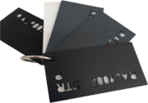 | IS-Large Finish Ring | $49.50 | IS-Large Finish Ring | 1 | Non-Inventory |  | LR-01-2C |  | 20 | 25
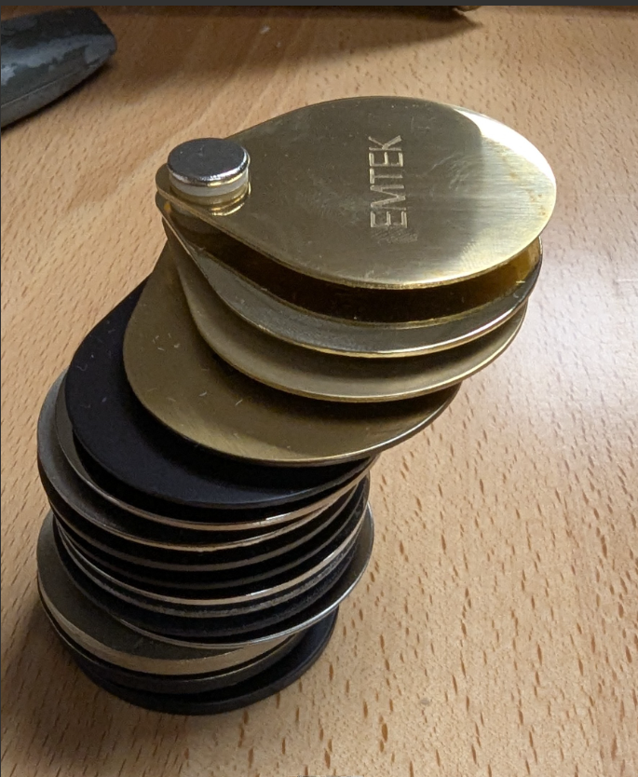 | Emtek Finish Sample Ring | $8.50 | Full set of Emtek hardware finishes for both INICO and Glenview | 1 set | non-inventroy | See aluminum sheet |  |  | 10 | 25
 | IS-Sample 6" Nail Fin | $2.75 | 6" mountaing nail fin-silver | 0 | Non-Inventory | 10 | LR-02-1D |  | 5 | 15
 | IS-Sample Anchor | $2.20 | Aluminum anchor/install bracket | 0 | Non-Inventory | 10 | LR-02-1D |  | 5 | 15
 | IS-Material Ring | $82.50 | Sample ring that includes 2" x 3.5" bronze, dark patina, no patina, light bronze, corten, stainless, and galvanized steel | 1 | Non-Inventory |  |  |  | 20 | 25
 | IS-Sample Hydro Sill | $5.50 |  | 0 | Non-Inventory | 10 | LR-02-1D |  | 5 | 15
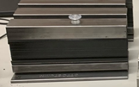 | IS-Sample Corten 6" | $13.20 | 6" cut section of Corten Steel | 0 | Non-Inventory | 10 | LR-02-1C |  | 5 | 15
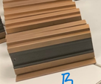 | IS-Sample Bronze 6" | $13.20 | 6" cut section of Bronze Steel | 0 | Non-Inventory | 10 | LR-02-1C |  | 5 | 15
 | IS-Sample Dark Bronze 6" | $13.20 | 6" cut section Dark Bronze Steel | 0 | Non-Inventory | 10 | LR-02-1C |  | 5 | 15
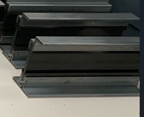 | IS-Sample Galvanized 6" | $13.20 | 6" cut section of Galvanized Steel | 0 | Non-Inventory | 10 | LR-02-1C |  | 5 | 15
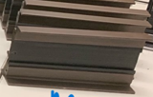 | IS-Sample Medium Bronze 6" | $13.20 | 6" cut section Medium Bronze Steel | 0 | Non-Inventory | 10 | LR-02-1C |  | 5 | 15
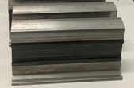 | IS-Sample Stainless 6" | $13.20 | 6" cut section Stainless Steel Steel | 0 | Non-Inventory | 10 | LR-02-1C |  | 5 | 15
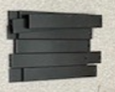 | IS-Sample Flat 3/4" SDL | $2.20 | Steel 3/4" Flat Bar SDL | 0 | Non-Inventory | 10 | LR-02-2D |  | 9 | 25
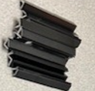 | IS-Sample Angled 3/4" SDL | $3.30 | Steel 3/4" Angled Triangle SDL | 0 | Non-Inventory | 10 | LR-02-2D |  | 9 | 25
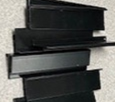 | IS-Sample 1" L Bead | $3.30 | Steel 1" L-Shaped Glazing Bead | 0 | Non-Inventory | 10 | LR-02-2D |  | 9 | 25
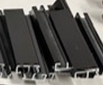 | IS-Sample 1-1/4" Square Bead | $2.75 | Steel 1 1/4" Square Glazing Bead | 0 | Non-Inventory | 10 | LR-02-2D |  | 9 | 25
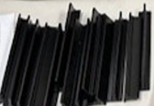 | IS-Sample 1-1/4" Triangle Bead | $3.85 | Steel 1 1/4" Triangle Glazing Bead | 0 | Non-Inventory | 10 | LR-02-2D |  | 9 | 25
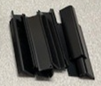 | IS-Sample 1-1/4" L Bead | $3.30 | Steel 1 1/4" L-Shaped Glazing Bead | 0 | Non-Inventory | 10 | LR-02-2D |  | 9 | 25
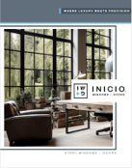 | IS-NFRC Brochure 11x17 4-Page | $1.60 per | IS-NFRC Brochure 11x17 4-Page | 20 | Non-Inventory | 286 | Lit Room
 | IS-Brochure V01 | 1.60 per | INICIO Steel 4-page brochure | 20 | Non-Inventory | 1200 | Lit Room
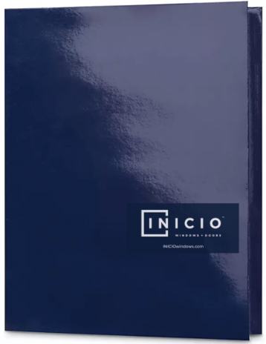 | *not in NS* |  | These are for interal use only- they can be ordered through the literature request form. These are designed for the sales tema to have and use as a leave behind at dealer meetings to include any paperwork and your business card as well. |  | Non-Inventory | See Aluminum spead sheet | Lit Room
 | BMD Family of Brands |  |  |  | Non-Inventory | See Aluminum spead sheet | Lit Room
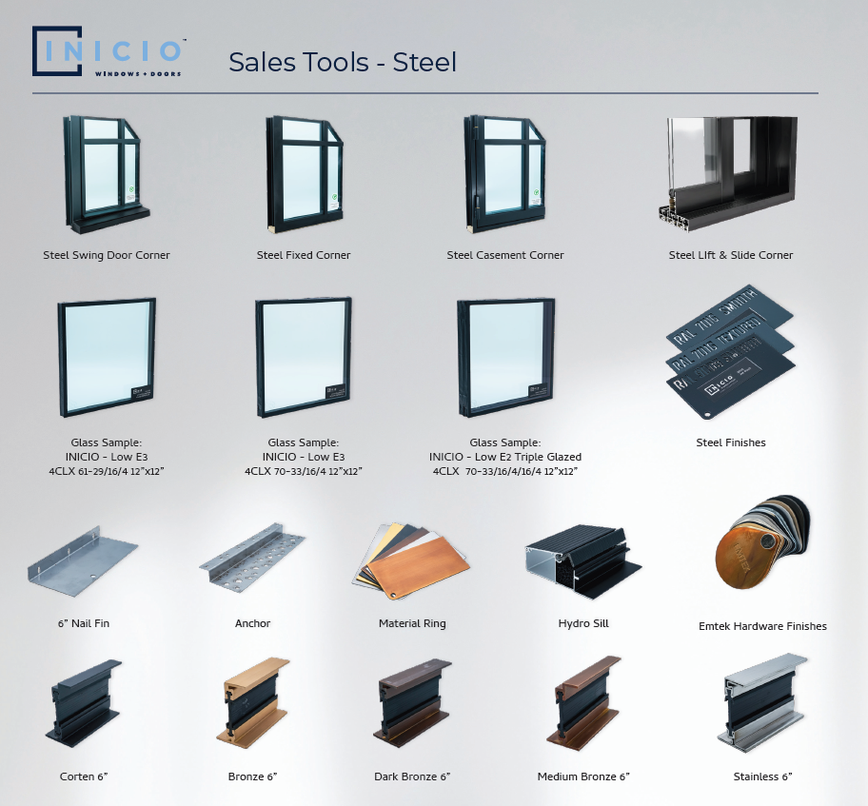 | INICIO Sales Tool Sell Sheet |  | INICIO Steel and Aluminum Sales Tool Sell Sheets |  | Non-Inventory |  | Lit Room

INICIO Aluminum
Picture | NetSuite SKU | List Price/Dealer Price/Base Price (cost + 10%) | Description | Qty. Included free in dealer kits | Inventory Status | Non-Inventory Qty | Location | Overstock Location/Qty | Min. Qty | Min. Reorder Qty.
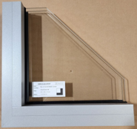 | IA-Corner Direct Glaze- 9006 V2 | $83.00 | Aluminum direct glaze corner- 15-3/4" x 15-3/4" Color: RAL 9006 Matte Version 2 | 1 | In Inventory
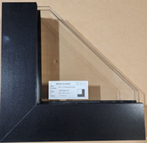 | IA-Corner Casement Corner- 9005 V2 | $121.00 | Aluminum casement corner- 15" x 15" Color: RAL 9005 Matte Version 2 | 1 | In Inventory
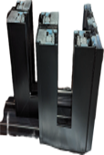 | IA-Corner Lift & Slide | $200.00 | IA-Corner Lift & Slide (will be updated once we have more info) | 0 | In Inventory
 | IA-Corner Multi-Slide Corner | $250.00 | Aluminum multi-slide corner cut- 20-5/8" : Glass- 4/16/4: 9005 Smooth Finish 2604 + seaside | 0 | In Inventory | 25
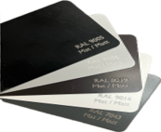 | IA-Finish Chip 9005 Smooth, | $12.00 | Set of 5 Aluminum RAL ____ (smooth or textured) finish chips to giveaway (this description should be used for each of the finishes with the correct code inputted in the blank space with smooth or textured) | 1 of each set | Non-Inventory | 24 | LR-02-2C |  | 0 | 0 | NO reorder
 | IA-Finish Chip 7043 smooth | $12.00 | Set of 5 Aluminum RAL ____ (smooth or textured) finish chips to giveaway (this description should be used for each of the finishes with the correct code inputted in the blank space with smooth or textured) | 2 of each set | Non-Inventory | 24 | LR-02-2C |  | 0 | 0 | NO reorder
 | IA-Finish Chip 9016 smooth | $12.00 | Set of 5 Aluminum RAL ____ (smooth or textured) finish chips to giveaway (this description should be used for each of the finishes with the correct code inputted in the blank space with smooth or textured) | 3 of each set | Non-Inventory | 24 | LR-02-2C |  | 0 | 0 | NO reorder
 | IA-Finish Chip 9006 Smooth | $12.00 | Set of 5 Aluminum RAL ____ (smooth or textured) finish chips to giveaway (this description should be used for each of the finishes with the correct code inputted in the blank space with smooth or textured) | 4 of each set | Non-Inventory | 26 | LR-02-2C |  | 0 | 0 | NO reorder
 | IA-Finish Chip 8019 smooth | $12.00 | Set of 5 Aluminum RAL ____ (smooth or textured) finish chips to giveaway (this description should be used for each of the finishes with the correct code inputted in the blank space with smooth or textured) | 5 of each set | Non-Inventory | 24 | LR-02-2C |  | 0 | 0 | NO reorder
 | IA-Finish Chip 9005 Textured | $12.00 | Set of 5 Aluminum RAL ____ (smooth or textured) finish chips to giveaway (this description should be used for each of the finishes with the correct code inputted in the blank space with smooth or textured) | 1 of each set | Non-Inventory | 24 | LR-02-2C |  | 0 | 0 | NO reorder
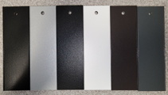 | IA-Finish Extrusion Rings | $20.00 | INICIO Aluminum Finish Chip Ring- all 6 finishes | 0 | Non-Inventory | 53 | LR-01-2C |  | 15 | 50
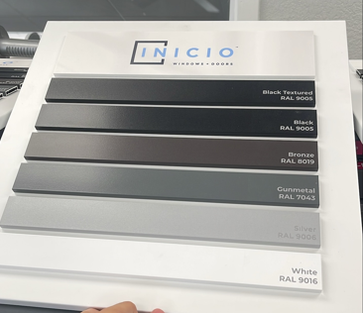 | IA-Finish Boards | $55.00 | INICIO Aluminum Finish Boards | 1 | Non-Inventory | 6
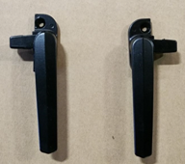 | IA-Sample Pushout Wedge Pin- Black + IA-Sample Pushout Wedge Pin Left | $0.41 | IA-Sample Pushout Wedge Pin- Black: lock for push-out window; IA-Sample Pushout Wedge Pin-Black Left handed: lock for push out window | 0 | Non-Inventory | 46 | LR-01-2B |  | 10 | 25
 | IA-Sample L&S Pullbar- Black | $8.67 | IA-Sample L&S Pullbar- Black | 0 | Non-Inventory | 57 | LR-01-2D |  | 10 | 25
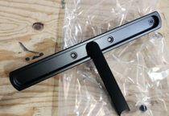 | IA-Sample L&S Handle- Black | $26.08 | IA-Sample L&S Handle- Black | 0 | Non-Inventory | 50 | LR-01-2D |  | 10 | 25
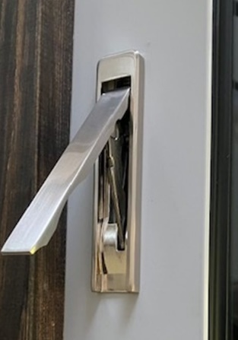 | IA-Sample Crank-Out Casement Lock | $9.50 | Crank-Out Casement LockVESTA-Z COVER & HANDLE METAL A - BRUSHED NICKEL | 0 | Non-Inventory | 8 | LR-01-2D |  | 10 | 25
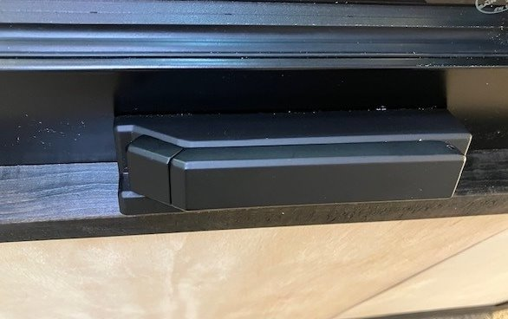 | IA-Sample Crank-Out Casement Handle | $13.50 | Crank-Out Casement Handle- Vesta MP Casement Lock Handle - SATIN NICKEL | 0 | Non-Inventory | 30 | LR-01-2D |  | 10 | 25
 | IA-Sample SDL Bar- K415188X | $2.00 | 6" SAMPLE SDL BAR / K415188X RAL 9005 AAMA2604 | 0 | Non-Inventory | 27 |  |  | 10 | 25
 | IA-Sample SDL Bar- K430930X | $2.00 | 6" SAMPLE SDL BAR / K430930X RAL 9005 AAMA2604 | 0 | Non-Inventory | 30 |  |  | 10 | 25
 | IA-Sample SDL Bar- K440632X | $2.00 | 6" SAMPLE SDL BAR / K440632X RAL 9005 AAMA2604 | 0 | Non-Inventory | 31 |  |  | 10 | 25
 | IA-Sample SDL Bar- K440252X | $2.00 | 6" SAMPLE SDL BAR / K440252X RAL 9005 AAMA2604 | 0 | Non-Inventory | 30 |  |  | 10 | 25
 | IA-Sample SDL Bar- K440629X | $2.00 | 6" SAMPLE SDL BAR / K440629X RAL 9005 AAMA2604 | 0 | Non-Inventory | 29 |  |  | 10 | 25
 | IA-Sample SDL Bar- K440630X | $2.00 | 6" SAMPLE SDL BAR / K440630X RAL 9005 AAMA2604 | 0 | Non-Inventory | 30 |  |  | 10 | 25
 | IA-Sample SDL Bar- K440631X | $2.00 | 6" SAMPLE SDL BAR / K440631X RAL 9005 AAMA2604 | 0 | Non-Inventory | 30 |  |  | 10 | 25
 | Emtek Finish Sample Ring | $8.50 | Full set of Emtek hardware finishes for both INICO and Glenview | 1 set | non-inventroy | 60 |  |  | 10 | 25
 | Glass Sample: INICIO- Low E3 - 4CLX 61-29/16/4 12"x12" | $15.03 | Glass Sample: INICIO Low E3 - 4CLX 61-29/16/4 12"x12" | 1 | Non-Inventory | 3 | LR-07-1A | Overstock location: 10-03-03 qty: 11 | 20 | 50
 | Glass Sample: INICIO - Low E3 - 4CLX 70-33/16/4 12"x12" | $15.03 | Glass Sample: INICIO Low E3 - 4CLX 70-33/16/4 12"x12" | 1 | Non-Inventory | 0 | LR-05-1A | Overstock location: 10-03-03 qty: 40 | 20 | 50
 | Glass Sample: INICIO - Low E3 Triple Glazed - 4CLX 70-33/16/4/16/4 12"x12" | $15.03 | Glass Sample: INICIO Low E3 Triple Glazed - 4CLX 70-33/16/4/16/4 12"x12" | 0 | Non-Inventory | 7 | LR-05-1A | Overstock location: 10-03-02 qty: 22 | 20 | 50
 | Glass Sample: INICIO – Low E2 - 6 mm SGG COOL-LITE SKN 183/12/6mm SGG PLANICLEAR - 8”x12” |  | Glass Sample: INICIO – Low E2 - 6 mm SGG COOL-LITE SKN 183/12/6mm SGG PLANICLEAR - 8”x12”
 | Glass Sample: INICIO – Low E3 – 6mm SGG COOL-LITE EXTREME 70-33 II/12/6mm K Glass N 8”x12” |  | - Glass Sample: INICIO – Low E3 – 6mm SGG COOL-LITE EXTREME 70-33 II/12/6mm K Glass N - 8”x12” – Low E on Surface 4
 | Glass Sample: INICIO – Low E3 – 6mm COOL-LITE ST Bright Silver /12/6mm SGG COOL-LITE EXTEME 61-29 - 8”x12” |  | - Glass Sample: INICIO – Low E3 – 6mm COOL-LITE ST Bright Silver /12/6mm SGG COOL-LITE EXTEME 61-29 - 8”x12”
 | Glass Sample: INICIO – Low E3 – 6mm COOL-LITE ST Bright Silver /12/6mm SGG COOL-LITE EXTEME 61-29 - 8”x12” |  | - Glass Sample: INICIO – Low E3 – 6mm COOL-LITE ST Bright Silver /12/6mm SGG COOL-LITE EXTEME 70-33 - 8”x12”
 | Glass Sample: INICIO – Low E3 – 6mm SGG COOL-LITE EXTREME /14/ 6MM SGG PLANICLEAR/16/6mm K GLASS N - 8” X 12” – Triple Glazed |  | - Glass Sample: INICIO – Low E3 – 6mm SGG COOL-LITE EXTREME /14/ 6MM SGG PLANICLEAR/16/6mm K GLASS N - 8” X 12” – Triple Glazed
 | Glass Sample: INICIO – Low E3 – 6mm COOL-LITE ST Bright Silver /14/ 6mm SGG PLANICLEAR/16/6MM SGG COOL-LITE XTREME 70-30 – 8” X 12” – Triple Glazed |  | - Glass Sample: INICIO – Low E3 – 6mm COOL-LITE ST Bright Silver /14/ 6mm SGG PLANICLEAR/16/6MM SGG COOL-LITE XTREME 70-30 – 8” X 12” – Triple Glazed
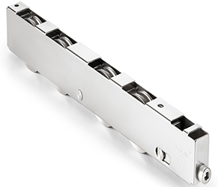 | IA-Sample Multi-Slide Carriage System | $182.00 | INICIO Aluminum stainless steel multi-slide carriage system- 13-1/2" L x 2" W | 0 | Inventory | 20 |  |  | 10 | 20
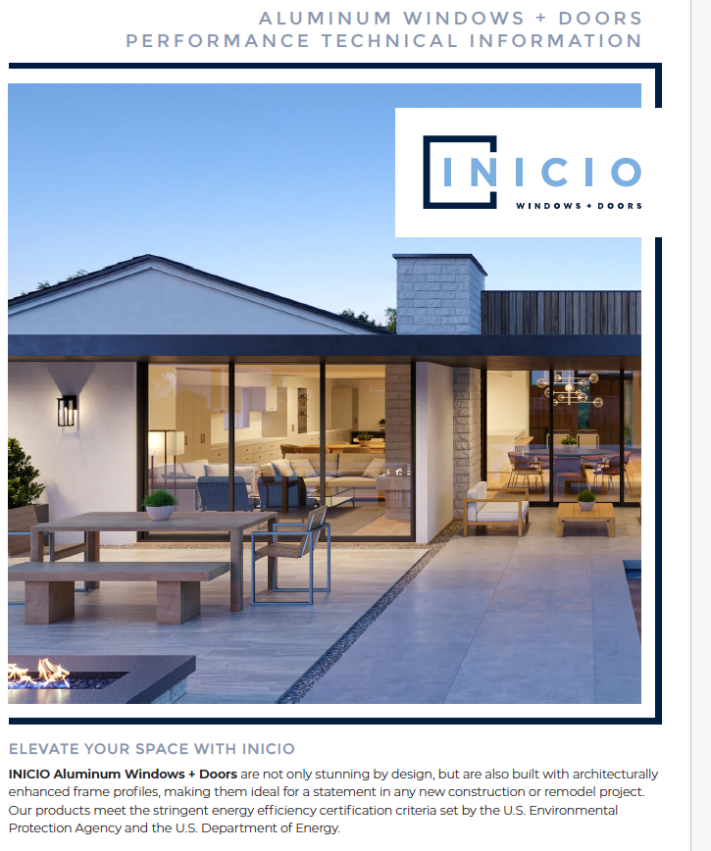 | IA-NFRC Brochure 2507 | $4 each | 4-Page Aluminum Windows + Doors Performance information | 25 | Non-Inventory | 620 | Lit Room
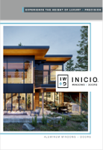 | IA-Brochure | $4 each | 8-page aluminum brochure | 25 | Non-Inventory | 0 | Lit Room
 | *not in NS* Request pending |  | These are for interal use only- they can be ordered through the literature request form. These are designed for the sales tema to have and use as a leave behind at dealer meetings to include any paperwork and your business card as well. |  |  | 0 | Lit Room
 | IA-Sell Sheet V01 |  | Aluminum Sell Sheet |  |  | 1240 | Lit Room
 | *not in NS* Request pending |  | BMD Family of Brand Brochure |  |  | 388 | Lit Room
 | IA-Multi Slide Sell Sheet V01 |  | Multi-Slide Sell Sheet |  |  | 2300 | Lit Room
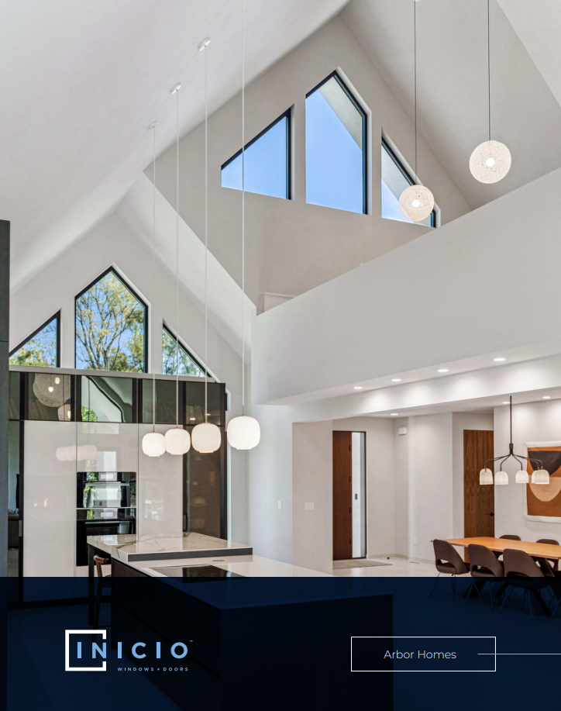 | IA-Arbor Homes Info Sheet |  | Info sheet on INICIO aluminum Arbor Homes project |  |  |  | Lit Room
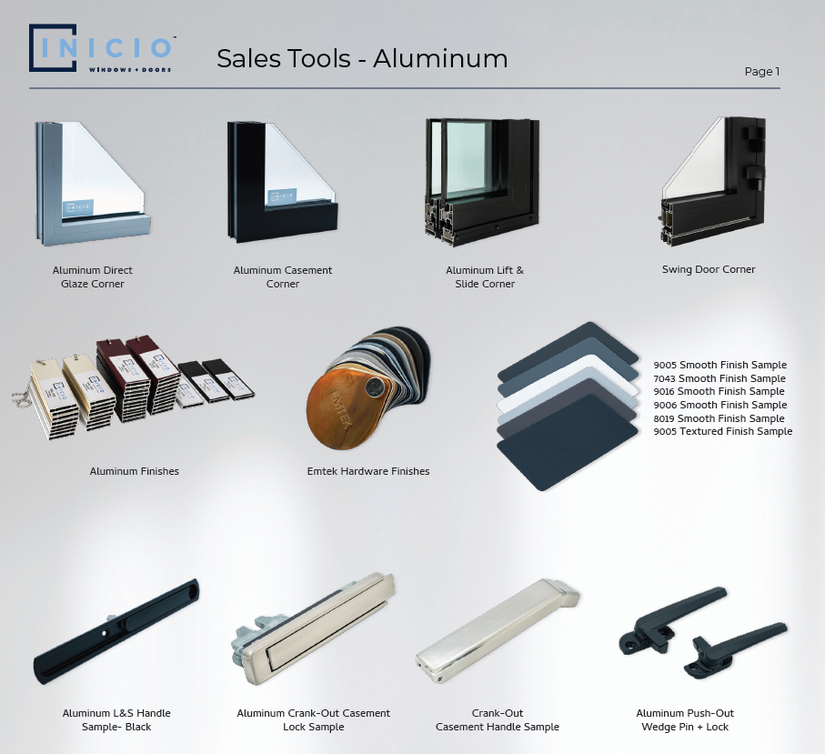 | INICIO Sales Tool Sell Sheet |  | INICIO Steel and Aluminum Sales Tool Sell Sheets |  | Non-Inventory |  | Lit Room
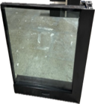 | IA-Corner Direct Glaze- 9006 V1 | $72.00 | Aluminum direct glaze corner- 15-3/4" x 15-3/4" Color: RAL 9006 Matte Version 1 | 1 | In Inventory
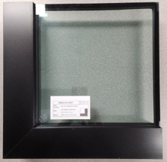 | IA-Corner Casement Corner- 9005 V1 | $109.00 | Aluminum casement corner- 15" x 15" Color: RAL 9005 Matte Version 1 | 1 | In Inventory
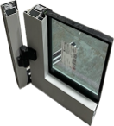 | IA-Corner Swing Door | $71.50 | IA-Corner Swing Door | 1 | In Inventory
 | IA-Anodized Finish Extrusion Rings
 | IA-Giveaway Finish Extrusions
 | IA-Giveaway Anodized Finish Extrusions

