Glenview Entry
Picture | NetSuite SKU | List Price/Dealer Price/Base Price (cost + 10%) | Description | Qty. Included free in dealer kits | Inventory Status | Non-Inventory Qty | Location | Overstock Location/Qty | Min. qty | Min. Reorder Qty.
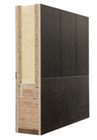 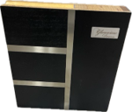 | GD-CORNER EMD | $98.00 | Glenview Doors Corner Sample - Euro Technology Flush Modern (EMD) Finish: Espresso (ES-01) 14" x 14" | 1 | In Inventory
 | GD-CORNER RP A | $98.00 | Corner sample M604 / Sticking A 14" x 14" | 1 | In Inventory
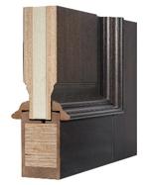 | GD-CORNER RP RM | $122.00 | Corner sample: M605/M224 14" x 14" | 1 | In Inventory
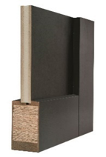 | GD-CORNER FP B | $98.00 | Glenview Doors Corner Sample - Euro Technology Flat Panel (M-627) with Sticking "B" 14" x 14" | 1 | In Inventory
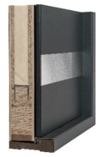 | GD-CORNER ALU | $154.00 | Glenview Doors Corner Sample - Euro Technology w/ Aluminum Shield | 0 | In Inventory
 | GD-CORNER FP A | $98.00 | Glenview Doors Corner Sample - Euro Technology Flat Panel (M-627) with Sticking "A" 14" x 14" | 0 | In Inventory
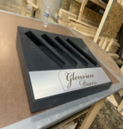 | GD-Corner Stand | $125.00 | Glenview Doors display corner sample stand | 1 | In Inventory
 | GD-Color-Box | $48.00 | Entry Door Finish Sample Box- 20 finishes | 1 | Non-inventory | 6 | LR-01-2C | Overstock location is 10-04-01, qty is 42 | 25 | 75
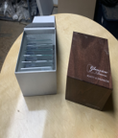 | Glass sample box | $61.00 | Glenview Doors Glass Sample Box | 1 | Non-inventory | 160 | LR-02-1E |  | 25 | 75
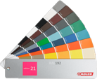 | RAL Paint Fan Decks | $10.00 | RAL Paint Fan Decks | 1 | Non-inventory | 10 | LR-02-1D |  | 15 | 50
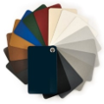 | Aluron AD-MAT | $22.50 | Aluron Color Sample Decor MAT AD-MAT | 1 | Non-inventory | 0 | LR-01-1C |  | 15 | 50
 | Aluron AM-FS | $22.50 | Aluron Color Sample Metallic FS AM-FS | 1 | Non-inventory | 41 | LR-01-1C |  | 15 | 50
 | Aluron AR-FS | $22.50 | Aluron Color Sample RAL FS AR-FS | 1 | Non-inventory | 0 | LR-01-1C |  | 15 | 50
 | Aluron AR-MAT | $22.50 | Aluron Color Sample RAL MAT AR-MAT | 1 | Non-inventory | 39 | LR-01-1C |  | 15 | 50
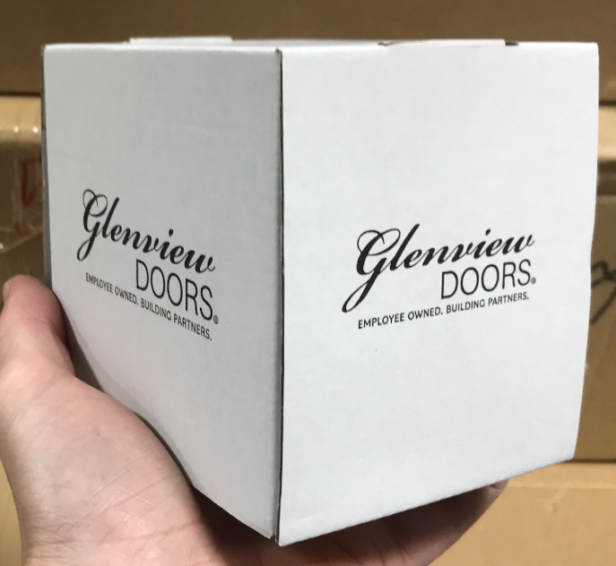 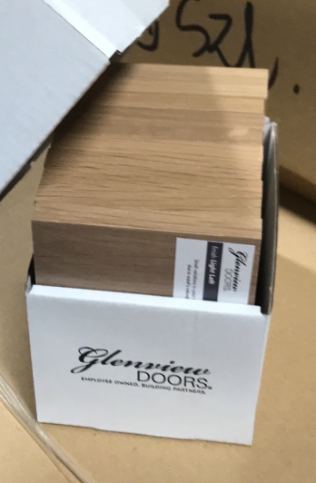 | GD-Finish Set-Mahogany Walnut | $33 | Glenview Doors entry finishes- set of 10 samples for giveaways | 1 box | Non-inventory | 7 | LR-11-1B | Overstock location is 03-03-01, qty is 185 | 10 | 35
 | GD-Finish Set-Mahogany Espresso | $33 | Glenview Doors entry finishes- set of 10 samples for giveaways | 1 box | Non-inventory | 7 | LR-11-1C | Overstock location is 03-03-01, qty is 173 | 10 | 35
 | GD-Finish Set-Mahogany Coffee Bean | $33 | Glenview Doors entry finishes- set of 10 samples for giveaways | 1 box | Non-inventory | 7 | LR-11-1C | Overstock location is 03-03-01, qty is 145 | 10 | 35
 | GD-Finish Set-Mahogany Earth | $33 | Glenview Doors entry finishes- set of 10 samples for giveaways | 1 box | Non-inventory | 7 | LR-11-1C | Overstock location is 03-03-01, qty is 122 | 10 | 35
 | GD-Finish Set-Mahogany White Matte | $33 | Glenview Doors entry finishes- set of 10 samples for giveaways | 1 box | Non-inventory | 8 | LR-11-1B |  | 10 | 35
 | GD-Finish Set-Mahogany Black Matte | $33 | Glenview Doors entry finishes- set of 10 samples for giveaways | 1 box | Non-inventory | 12 | LR-11-1C | Overstock location is 03-03-01, qty is 87 | 10 | 35
 | GD-Finish Set- Oak Light Loft | $33 | Glenview Doors entry finishes- set of 10 samples for giveaways | 1 box | Non-inventory | 7 | LR-11-1A | Overstock location is 03-03-01, qty is 171 | 10 | 35
 | GD-Finish Set- Oak Walnut | $33 | Glenview Doors entry finishes- set of 10 samples for giveaways | 1 box | Non-inventory | 7 | LR-11-1A | Overstock location is 03-03-01, qty is 172 | 10 | 35
 | GD-Finish Set- Oak Espresso | $33 | Glenview Doors entry finishes- set of 10 samples for giveaways | 1 box | Non-inventory | 7 | LR-11-1A | Overstock location is 03-03-01, qty is 123 | 10 | 35
 | GD-Finish Set- Oak Earth | $33 | Glenview Doors entry finishes- set of 10 samples for giveaways | 1 box | Non-inventory | 7 | LR-11-1B | Overstock location is 03-03-01, qty is 122 | 10 | 35
 | GD-Finish Set- Oak Traditional | $33 | Glenview Doors entry finishes- set of 10 samples for giveaways | 1 box | Non-inventory | 7 | LR-11-1B | Overstock location is 03-03-01, qty is 121 | 10 | 35
 | GD-Finish Set- Oak Driftwood | $33 | Glenview Doors entry finishes- set of 10 samples for giveaways | 1 box | Non-inventory | 8 | LR-11-1B | Overstock location is 03-03-01, qty is 123 | 10 | 35
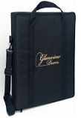 | Eurocase | $104.00 | Carrying case for Euro Corner samples 14-1/4" x 14-1/4" x 2-3/4". Black with embraided Glenview Door logo | 2 | In Inventory
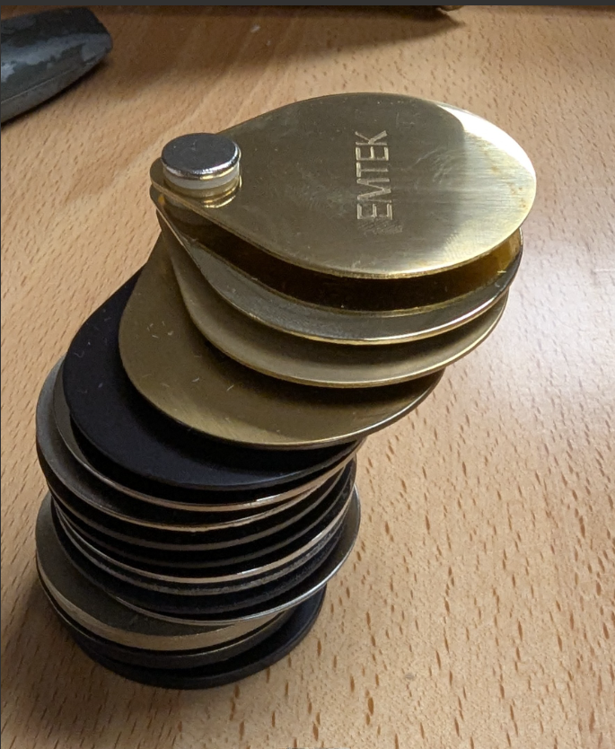 | Emtek Finish Sample Ring | $8.50 | Full set of Emtek hardware finishes for both INICO and Glenview | 1 set | Non-inventory | 69 |  |  | 10 | 35
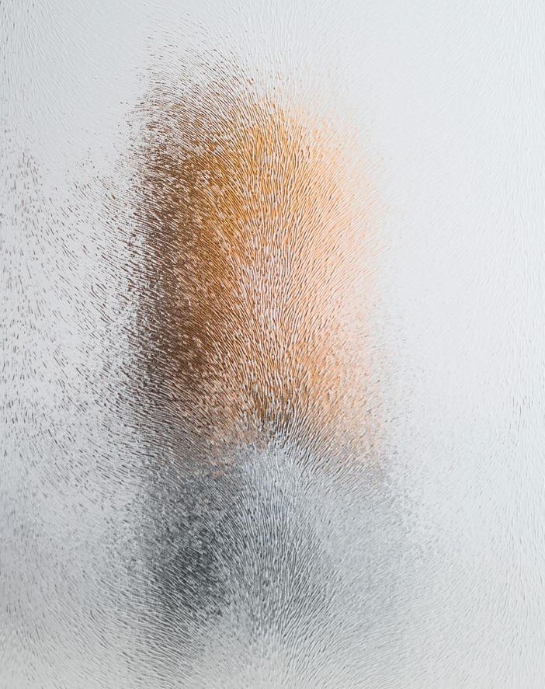 | Glass Sample: Chinchilla 4x5 | $3.00 | 4x5 sample of glass to giveaway- 1 piece | 0 | Non-inventory
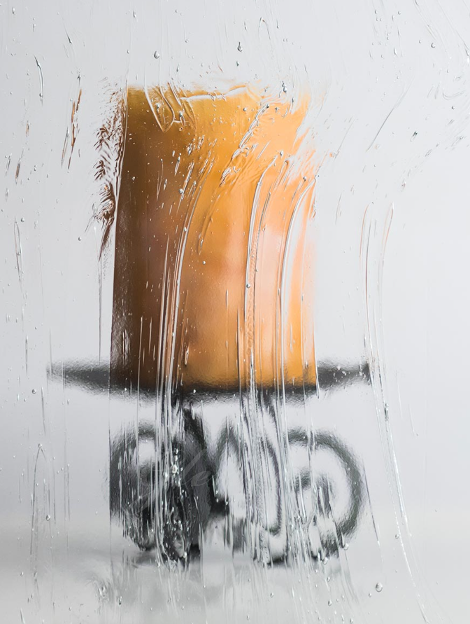 | Glass Sample: Seedy Baroque 4x5 | $3.00 | 4x5 sample of glass to giveaway- 1 piece | 0 | Non-inventory
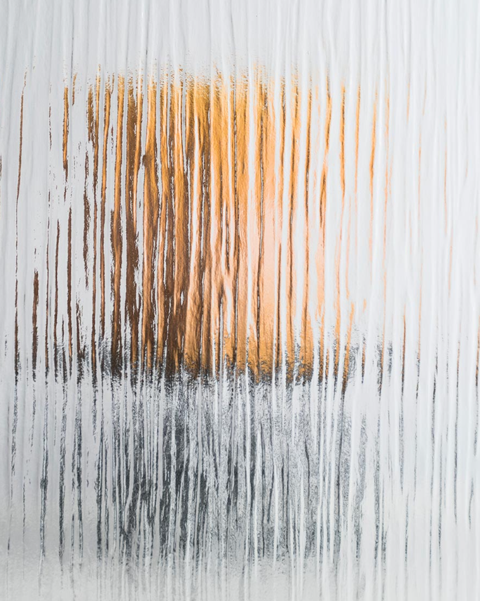 | Glenview Glass Sample- Waterfall | $3.00 | 4x5 sample of glass to giveaway- 1 piece | 0 | Non-inventory
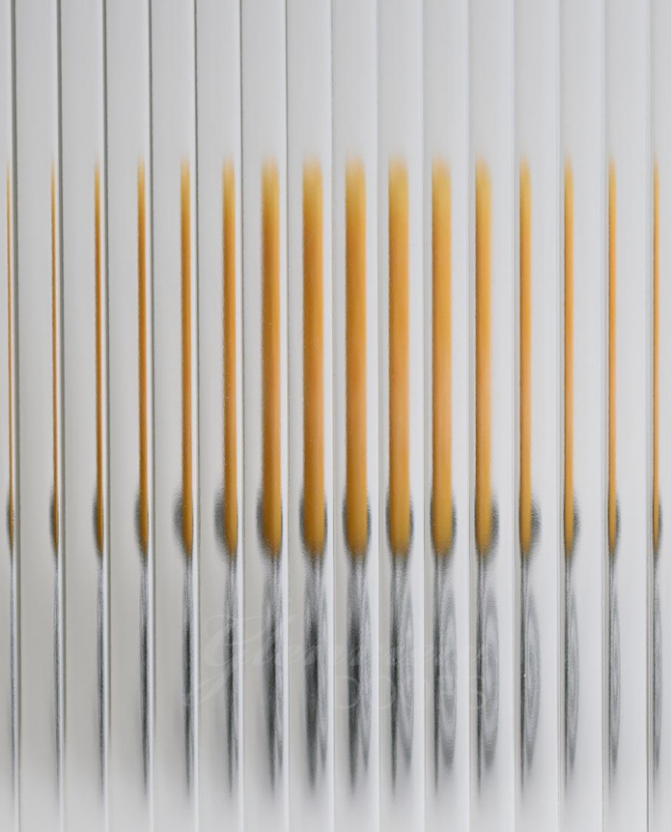 | Glass Sample: 1/2 Reed Glass 4x5 | $3.00 | 4x5 sample of glass to giveaway- 1 piece | 0 | Non-inventory
 | Glass Sample: Satinato 4x5 | $3.00 | 4x5 sample of glass to giveaway- 1 piece | 0 | Non-inventory
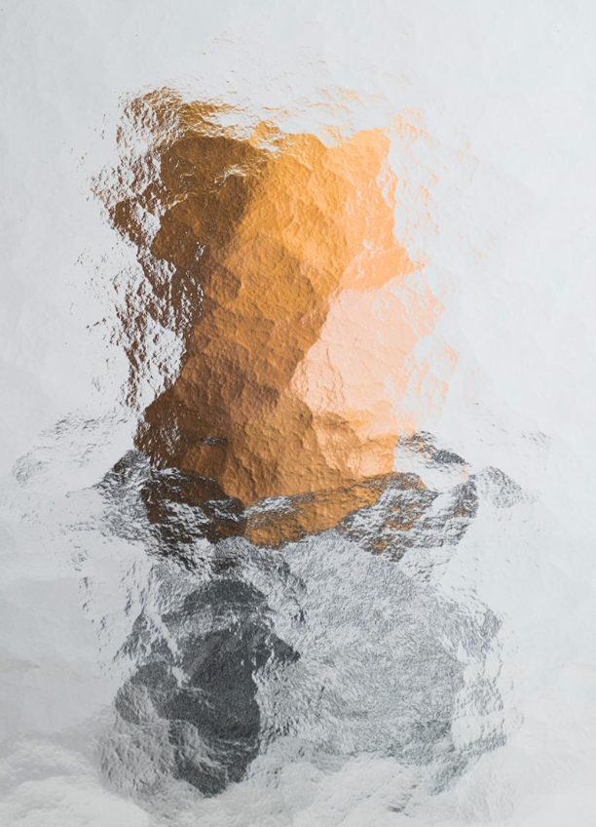 | Glass Sample: Cathedral 4x5 | $3.00 | 4x5 sample of glass to giveaway- 1 piece | 0 | Non-inventory
 | Glass Sample: Rain 4x5 | $3.00 | 4x5 sample of glass to giveaway- 1 piece | 0 | Non-inventory
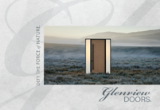 | GD-Catalog Euro-V1 (46 pages) | $5.00 | Glenview Doors - Defy The Force of Nature -Catalog | 5 | Non-inventory | 2,150 | Lit Room
 | GD-Catalog Small Euro-V2 | $4 per | Glenview Doors Small Brand books- 16 pages | 25 | Non-inventory | 460 | Lit Room
 | Post Card: Glenview Door Defy the Force 6 x 9, Post Card: Glenview Door EuroTech Comparison 6 x 9, Post Card: Glenview Door Stands Strong 6 x 9 | $0.41 per | Post Card: Glenview Door Defy the Force 6 x 9, Post Card: Glenview Door EuroTech Comparison 6 x 9, Post Card: Glenview Door Stands Strong 6 x 9 | 15 of each design | Non-inventory | Defy The Force 0 EuroTech 75 Stands Strong 80 | Lit Room
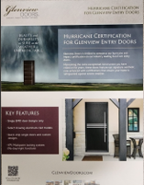 | GD-Hurricane Rating Sheet | $18.00 | 2-sided Glenview Doors hurricane rating sell sheet- Set of 25 | 25 | Non-inventory | 750 | Lit Room
 | GD-Folder |  |  | *not in NS* Request pending | Non-inventory | 0 | Lit Room
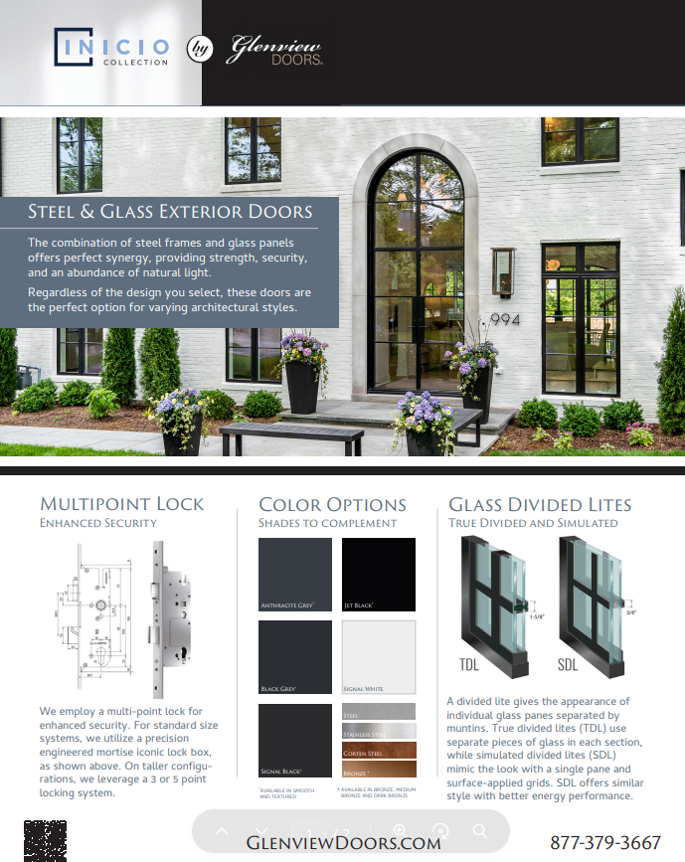 | Glenview Steel Exterior Sell Sheet | 0 | Glenview Steel Exterior Sell Sheet- 1 pagers |  | Non-inventory | 1550
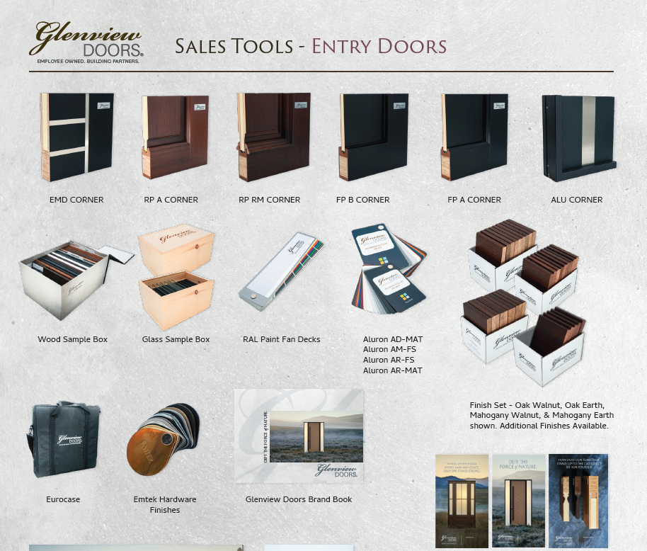 | GD-Sales Tool Sell Sheet |  | Glenview Entry and Interior Door Sales Tool Sell Sheets |  | Non-inventory |  | Lit room

Glenview Interior
Picture | NetSuite SKU | List Price/Dealer Price/Base Price (cost + 10%) | Description | Qty. Included free in dealer kits | Inventory Status | Non-Inventory Qty | Location | Overstock Location/Qty | Min. Qty | Min. Reorder Qty.
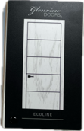 | GD-Ecoline Door Chips | $55.00 | 1 deck of all Ecoline finishes | Yes | Non-Inventory | 37 | LR-10-1C |  | 25 | 50
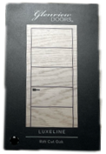 | GD-Luxeline Oak Chips | $55.00 | 1 deck of all Luxeline oak finishes | Yes | Non-Inventory | 18 | LR-10-1A |  | 25 | 50
 | GD-Luxeline Mahogany Chips | $55.00 | 1 deck of all Luxeline mahogany finishes | Yes | Non-Inventory | 17 | LR-10-1C |  | 25 | 50
 | GD-Luxeline Lacquered Chips | $55.00 | 1 deck of all Luxeline MDF lacquered finishes | Yes | Non-Inventory | 14 | LR-10-1B |  | 25 | 50
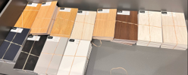 | GD-Ecoline Giveaway Finish Samples- Graphite | $33.00 | Set of 10 Ecoline finish samples | 1 Set | Non-Inventory | 81 | LR-04-1B |  | 25 | 50
 | GD-Ecoline Giveaway Finish Samples-Ash Walnut | $33.00 | Set of 10 Ecoline finish samples | 1 Set | Non-Inventory | 81 | LR-03-1C |  | 25 | 50
 | GD-Ecoline Giveaway Finish Samples-Black | $33.00 | Set of 10 Ecoline finish samples | 1 Set | Non-Inventory | 81 | LR-04-1C |  | 25 | 50
 | GD-Ecoline Giveaway Finish Samples-Cappuccino | $33.00 | Set of 10 Ecoline finish samples | 1 Set | Non-Inventory | 81 | LR-04-1C |  | 25 | 50
 | GD-Ecoline Giveaway Finish Samples-Chocolate | $33.00 | Set of 10 Ecoline finish samples | 1 Set | Non-Inventory | 81 | LR-04-1C |  | 25 | 50
 | GD-Ecoline Giveaway Finish Samples-Ecru | $33.00 | Set of 10 Ecoline finish samples | 1 Set | Non-Inventory | 81 | LR-03-1B |  | 25 | 50
 | GD-Ecoline Giveaway Finish Samples-Light Gray | $33.00 | Set of 10 Ecoline finish samples | 1 Set | Non-Inventory | 81 | LR-04-1B |  | 25 | 50
 | GD-Ecoline Giveaway Finish Samples-Midnight Blue | $33.00 | Set of 10 Ecoline finish samples | 1 Set | Non-Inventory | 81 | LR-03-1A |  | 25 | 50
 | GD-Ecoline Giveaway Finish Samples-Natural | $33.00 | Set of 10 Ecoline finish samples | 1 Set | Non-Inventory | 81 | LR-03-1A |  | 25 | 50
 | GD-Ecoline Giveaway Finish Samples-Oiled | $33.00 | Set of 10 Ecoline finish samples | 1 Set | Non-Inventory | 81 | LR-03-1A |  | 25 | 50
 | GD-Ecoline Giveaway Finish Samples-Rustic | $33.00 | Set of 10 Ecoline finish samples | 1 Set | Non-Inventory | 81 | LR-03-1A |  | 25 | 50
 | GD-Ecoline Giveaway Finish Samples-White | $33.00 | Set of 10 Ecoline finish samples | 1 Set | Non-Inventory | 81 | LR-04-1A |  | 25 | 50
 | GD-Ecoline Giveaway Finish Samples-White Mottled | $33.00 | Set of 10 Ecoline finish samples | 1 Set | Non-Inventory | 81 | LR-04-1A |  | 25 | 50
 | GD-Luxeline Lacquered Giveaway Finish Samples - 9016 | $33.00 | Set of 10 Luxeline finish samples | 1 Set | Non-Inventory | 150 | LR-04-1A |  | 25 | 50
 | GD-Luxeline Lacquered Giveaway Finish Samples -5008 | $33.00 | Set of 10 Luxeline finish samples | 1 Set | Non-Inventory | 107 | LR-04-1B |  | 25 | 50
 | GD-Luxeline Lacquered Giveaway Finish Samples -7021 | $33.00 | Set of 10 Luxeline finish samples | 1 Set | Non-Inventory | 121 | LR-04-1C |  | 25 | 50
 | GD-Luxeline Lacquered Giveaway Finish Samples -7024 | $33.00 | Set of 10 Luxeline finish samples | 1 Set | Non-Inventory | 116 | LR-03-1B |  | 25 | 50
 | GD-Luxeline Lacquered Giveaway Finish Samples -7046 | $33.00 | Set of 10 Luxeline finish samples | 1 Set | Non-Inventory | 81 | LR-04-1B |  | 25 | 50
 | GD-Luxeline Lacquered Giveaway Finish Samples -7047 | $33.00 | Set of 10 Luxeline finish samples | 1 Set | Non-Inventory | 113 | LR-04-1B |  | 25 | 50
 | GD-Luxeline Lacquered Giveaway Finish Samples -9005 | $33.00 | Set of 10 Luxeline finish samples | 1 Set | Non-Inventory | 97 | LR-04-1B |  | 25 | 50
 | GD-Luxeline Mahogany Giveaway Finish Samples- Earth | $33.00 | Set of 10 Luxeline finish samples | 1 Set | Non-Inventory | 114 | LR-03-1B |  | 25 | 50
 | GD-Luxeline Mahogany Giveaway Finish Samples- Walnut | $33.00 | Set of 10 Luxeline finish samples | 1 Set | Non-Inventory | 121 | LR-03-1A |  | 25 | 50
 | GD-Luxeline Mahogany Giveaway Finish Samples-Black | $33.00 | Set of 10 Luxeline finish samples | 1 Set | Non-Inventory | 117 | LR-03-1C |  | 25 | 50
 | GD-Luxeline Mahogany Giveaway Finish Samples-Chocolate | $33.00 | Set of 10 Luxeline finish samples | 1 Set | Non-Inventory | 112 | LR-04-1C |  | 25 | 50
 | GD-Luxeline Mahogany Giveaway Finish Samples-Coffee Bean | $33.00 | Set of 10 Luxeline finish samples | 1 Set | Non-Inventory | 112 | LR-04-1C |  | 25 | 50
 | GD-Luxeline Mahogany Giveaway Finish Samples-Dark | $33.00 | Set of 10 Luxeline finish samples | 1 Set | Non-Inventory | 106 | LR-03-1B |  | 25 | 50
 | GD-Luxeline Mahogany Giveaway Finish Samples-Espresso | $33.00 | Set of 10 Luxeline finish samples | 1 Set | Non-Inventory | 115 | LR-03-1B |  | 25 | 50
 | GD-Luxeline Mahogany Giveaway Finish Samples-White | $33.00 | Set of 10 Luxeline finish samples | 1 Set | Non-Inventory | 131 | LR-03-1A |  | 25 | 50
 | GD-Luxeline Oak Giveaway Finish Sample-Chocolate | $33.00 | Set of 10 Luxeline finish samples | 1 Set | Non-Inventory | 119 | LR-04-1C |  | 25 | 50
 | GD-Luxeline Oak Giveaway Finish Samples- 080517 1 | $33.00 | Set of 10 Luxeline finish samples | 1 Set | Non-Inventory | 118 | LR-03-1C |  | 25 | 50
 | GD-Luxeline Oak Giveaway Finish Samples- 231117 8 | $33.00 | Set of 10 Luxeline finish samples | 1 Set | Non-Inventory | 81 | LR-03-1C |  | 25 | 50
 | GD-Luxeline Oak Giveaway Finish Samples- 310517 8 | $33.00 | Set of 10 Luxeline finish samples | 1 Set | Non-Inventory | 147 | LR-03-1C |  | 25 | 50
 | GD-Luxeline Oak Giveaway Finish Samples- 311012 1 | $33.00 | Set of 10 Luxeline finish samples | 1 Set | Non-Inventory | 116 | LR-03-1C |  | 25 | 50
 | GD-Luxeline Oak Giveaway Finish Samples-210115 1 | $33.00 | Set of 10 Luxeline finish samples | 1 Set | Non-Inventory | 108 | LR-03-1C |  | 25 | 50
 | GD-Luxeline Oak Giveaway Finish Samples-Black | $33.00 | Set of 10 Luxeline finish samples | 1 Set | Non-Inventory | 123 | LR-03-1C |  | 25 | 50
 | GD-Luxeline Oak Giveaway Finish Samples-Coffee Bean | $33.00 | Set of 10 Luxeline finish samples | 1 Set | Non-Inventory | 108 | LR-04-1C |  | 25 | 50
 | GD-Luxeline Oak Giveaway Finish Samples-Driftwood | $33.00 | Set of 10 Luxeline finish samples | 1 Set | Non-Inventory | 119 | LR-03-1B |  | 25 | 50
 | GD-Luxeline Oak Giveaway Finish Samples-Earth | $33.00 | Set of 10 Luxeline finish samples | 1 Set | Non-Inventory | 115 | LR-03-1B |  | 25 | 50
 | GD-Luxeline Oak Giveaway Finish Samples-Espresso | $33.00 | Set of 10 Luxeline finish samples | 1 Set | Non-Inventory | 117 | LR-03-1B |  | 25 | 50
 | GD-Luxeline Oak Giveaway Finish Samples-Gray Oak | $33.00 | Set of 10 Luxeline finish samples | 1 Set | Non-Inventory | 113 | LR-04-1B |  | 25 | 50
 | GD-Luxeline Oak Giveaway Finish Samples-Light Loft | $33.00 | Set of 10 Luxeline finish samples | 1 Set | Non-Inventory | 131 | LR-04-1B |  | 25 | 50
 | GD-Luxeline Oak Giveaway Finish Samples-Traditional | $33.00 | Set of 10 Luxeline finish samples | 1 Set | Non-Inventory | 117 | LR-03-1A |  | 25 | 50
 | GD-Luxeline Oak Giveaway Finish Samples-Walnut | $33.00 | Set of 10 Luxeline finish samples | 1 Set | Non-Inventory | 123 | LR-03-1A |  | 25 | 50
 | GD-Luxeline Oak Giveaway Finish Samples-White | $33.00 | Set of 10 Luxeline finish samples | 1 Set | Non-Inventory | 113 | LR-04-1A |  | 25 | 50
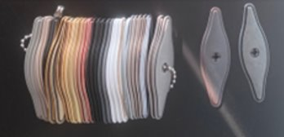 | GD-Ecoline Hardware Finish Sample Rings | $23.00 | Glenview Ecoline interior doors hardware finish sample ring- Gamet hardware | 1 Set | Non-Inventory
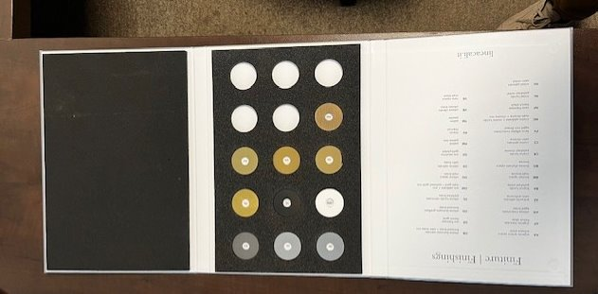 | Sample: Linea Cali Book | $70.00 | Sample: Linea Cali Book | 1 Set | Non-Inventory | 30 | LR-10-1D
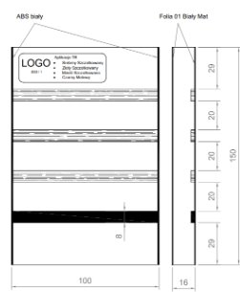 | GD-Ecoline Inlay Samples | $20.00 | Glenview Ecoline Interior door inlay samples. 6" x 4" plate with all 4 inlay samples | Yes | Non-Inventory | 22 | LR-11-1D
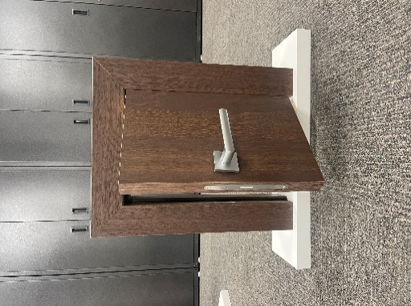 | GD-Mini Display Door-Chocolate Oak, GD-Mini Display Door-Midnight Blue, GD-Mini Display Door-Cappuccino Oak | $110.00 | GD-Mini Ecoline Display Door-Chocolate Oak, GD-Mini Ecoline Display Door-Midnight Blue, GD-Mini Ecoline Display Door-Cappuccino Oak | Yes (1 ecoline OR luxeline) | In Inventory
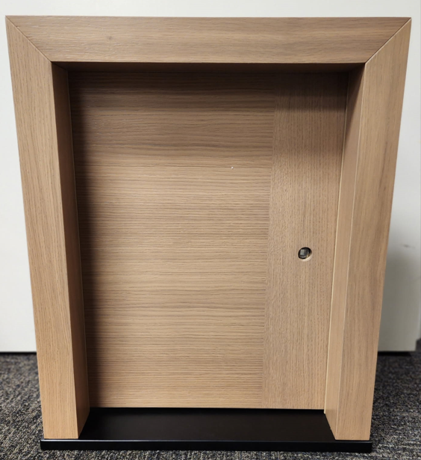 | GD-Luxeline Trimless Mini Door | $550.00 | Glenview Luxeline trimless mini door- z-bead application- oak in light loft stain-18" x 21" | Yes (1 ecoline OR luxeline) | In Inventory
 | GD-Ecoline Brochure | $33.00 | Set of 10 Ecoline interior door brochures | Yes | Non-Inventory | 450 | Lit Room
 | GD-Luxeline Brochure | $33.00 | Set of 10 Luxeline interior door brochures | yes | Non-Inventory | 350 | Lit Room
 | GD-Ecoline Sell Sheet | $- |  | yes | Non-Inventory | 1075 | Lit Room
 | GD-Luxeline Sell Sheet | $- |  | yes | Non-Inventory | 1050 | Lit Room
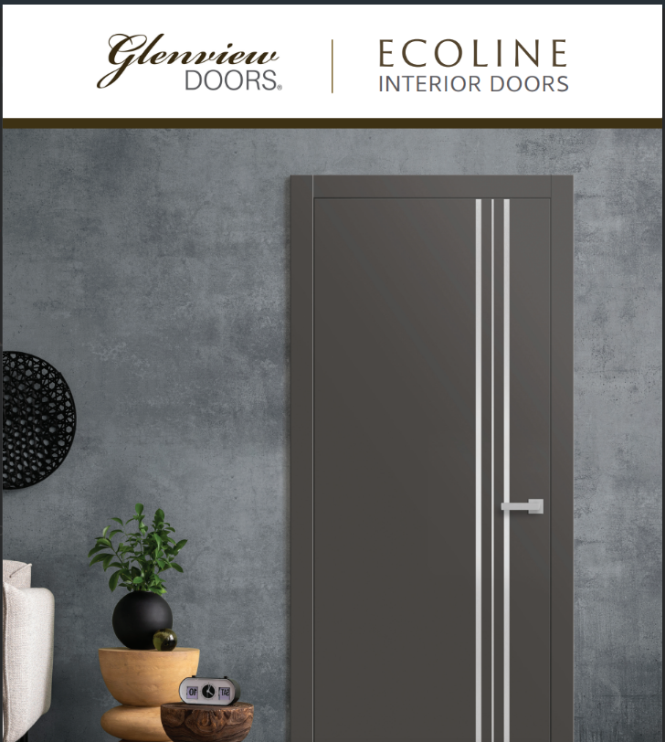 | GD-Ecoline Brochure | $- | Set of 10 Ecoline Brochures | yes | Non-Inventory
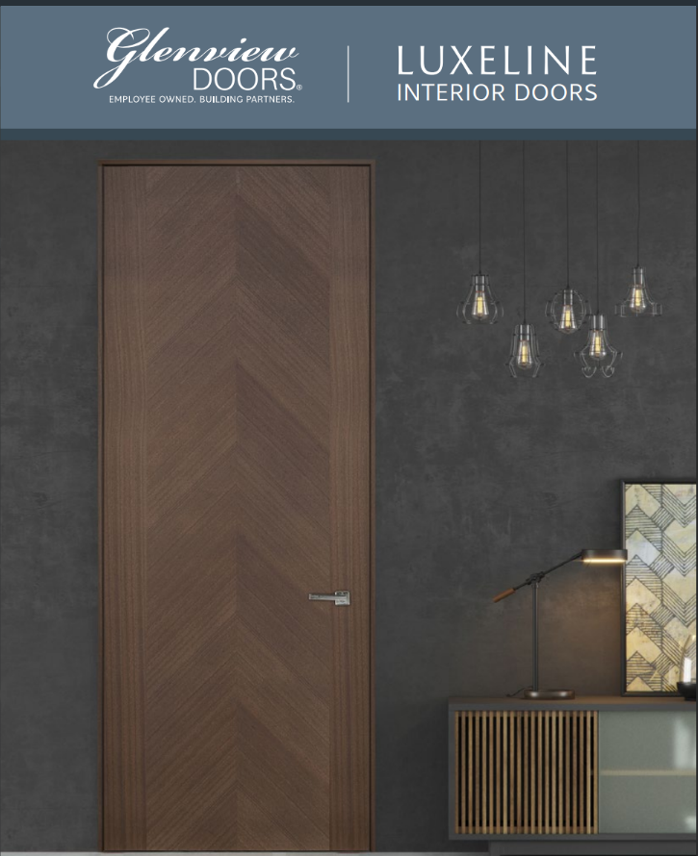 | GD-Luxeline Brochure | $- | Set of 10 Luxeline interior door brochures | yes | Non-Inventory
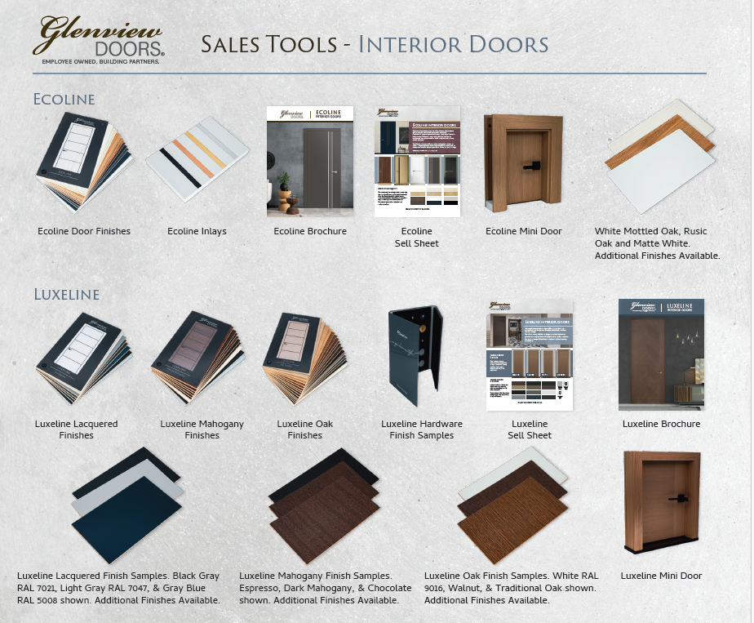 | GD-Sales Tool Sell Sheet |  | Glenview Entry and Interior Door Sales Tool Sell Sheets |  | Non-inventory |  | Lit room

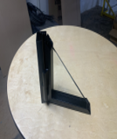 | GD-Corner STL 20 | $80.00 | Steel interior door corner sample Steel Profile: System 20 Glass: Single Pane Finish: Powder Coated Color: RAL 9005 (Black Jet) | yes | In Inventory |  | 2
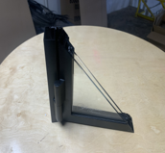 | GD-Corner STL 25 | $90.00 | Steel interior door corner sample Steel Profile: System 25 Glass: Double Pane Finish: Powder Coated Color: RAL 9005 (Black Jet) | yes | In Inventory |  | 9
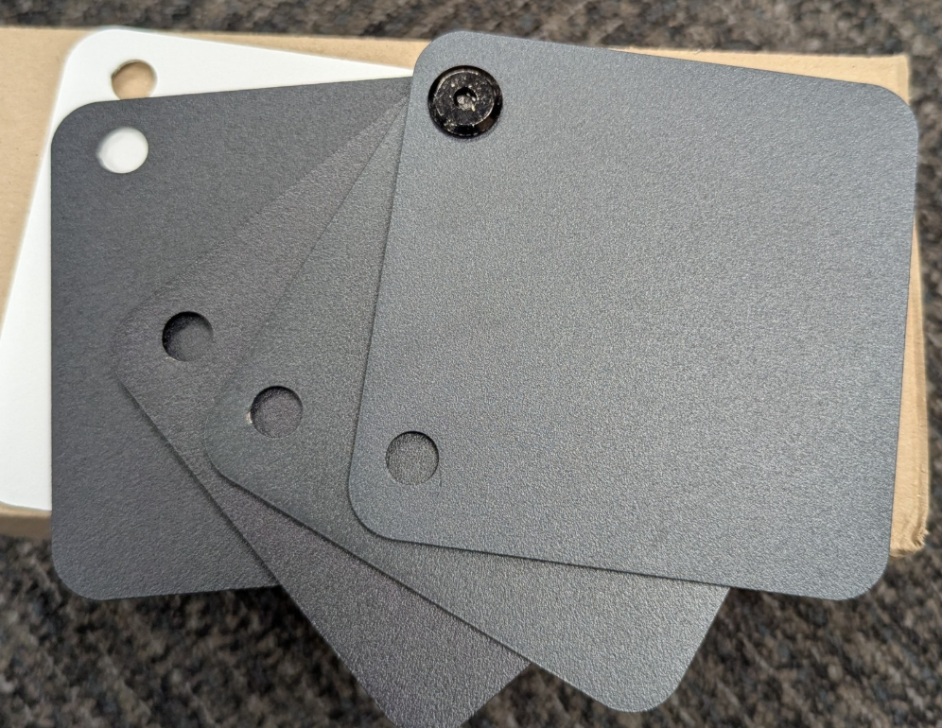 | GD-STL-INT Finish Sample Ring | $- | Glenview Steel Interior Finish sample set- total of 5 finishes (RAL-7016-STR, RAL-7021-STR, RAL-9004-STR, RAL-9005-STR, and RAL-9003) | yes | Non-Inventory | 100 | LR-11-1D |  | 25 | 50
 | GD-STL-INT Pull 20 Sample | $- | Glenview Steel Interior Pull 20 Hardware Sample With Profile | ? | Non-Inventory | 0 |  |  | 5 | 20
 | GD-STL-INT Pull 30 Sample | $- | Glenview Steel Interior Pull 30 Hardware Sample | ? | Non-Inventory | 18 |  |  | 5 | 20
 | GD-STL-INT Handle Sample Boards | $50.00 | Glenview Steel Interior Handle sample boards (pull bars, levers, rosettes) | Yes | Non-Inventory | 26
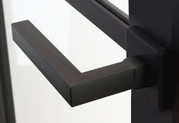 | GD-STL-INT Square Handle Sample | $- | Glenview Steel Interior Sqaure Handle Hardware Sample- flat black | yes | Non-Inventory | 0 |  |  | 5 | 20
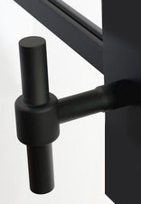 | GD-STL-INT Modern Handle Sample | $- | Glenview Steel Interior Modern handle Hardware Sample-flat black | yes | Non-Inventory | 0 |  |  | 5 | 20
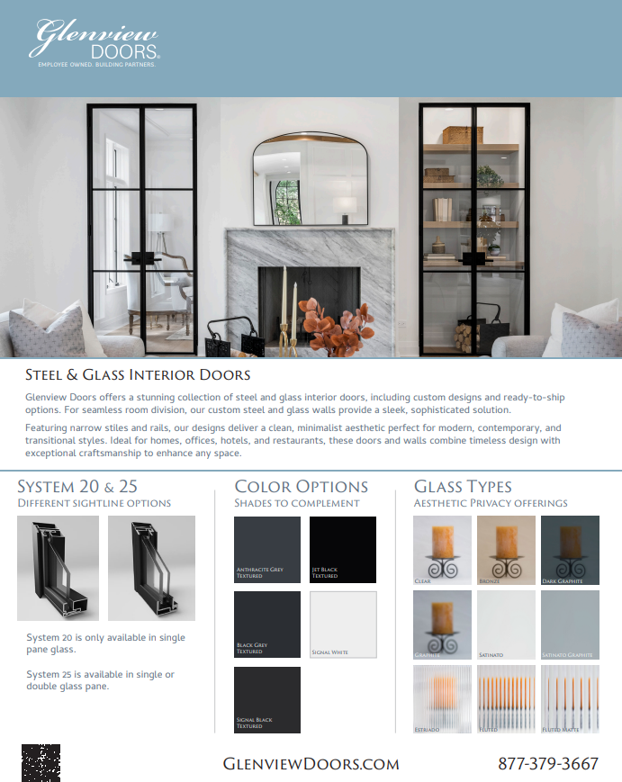 | Glenview Steel and Glass Interior Sell Sheet | $- | Glenview Steel and Glass Interior Sell Sheets- 1 pager | yes | Non-Inventory | 500 |  |  | 50 | 200
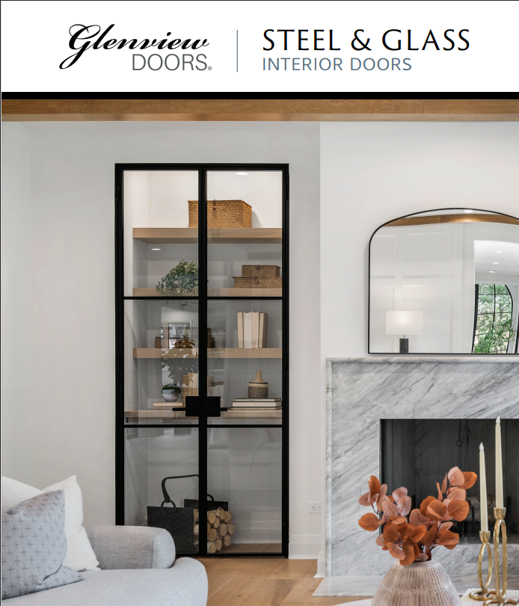 | GD-Interior Steel Brochure | $- | Set of 10 Steel Interior Door Brochures | yes | Non-Inventory |  |  |  | 50 | 200
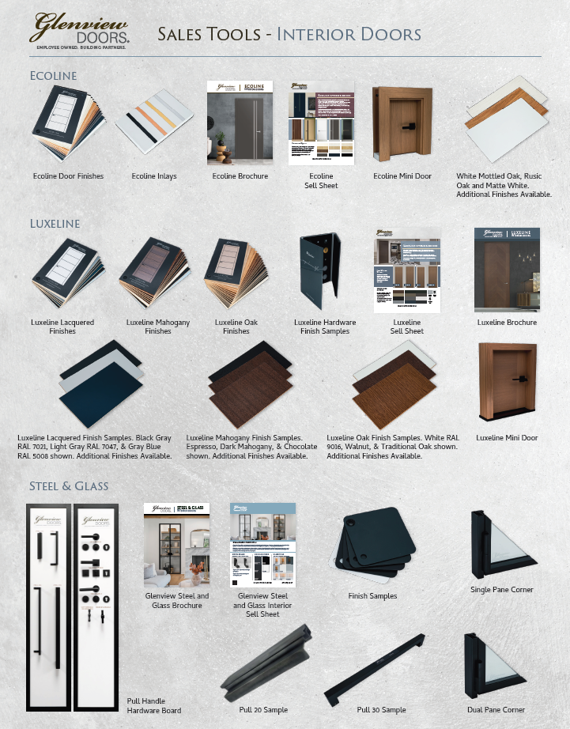 | GD-Sales Tool Sell Sheet |  | Glenview Entry and Interior Door Sales Tool Sell Sheets |  | Non-inventory |  | Lit room

